Dynamic Ranges Using a Table #1
Dynamic Ranges Using a Table #1
SP Dynamic Range Names.xlsx
Navigator
 | Error Checks: |  |  | þ

 | 1 | General

 |  | Source Data |  |  |  | Chart Data

 |  |  | For Chart |  |  |  | Using Table

Sales
 |  |  |  | Date | Sales
 |  |  |  | 2017-01-01 | 296
 |  |  |  | 2017-02-01 | 405
 |  |  |  | 2017-03-01 | 336
 |  |  |  | 2017-04-01 | 451
 |  |  |  | 2017-05-01 | 179
 |  |  |  | 2017-06-01 | 123
 |  |  |  | 2017-07-01 | 488
 |  |  |  | 2017-08-01 | 377

A Table (Chart_Data) has been used to populate this chart. Adding data in the following rows will cause additional columnar data to display in the chart automatically.

Dynamic Ranges Using a Table #2
Dynamic Ranges Using a Table #2
SP Dynamic Range Names.xlsx
Navigator
 | Error Checks: |  |  |  | þ

 | 1 | Data Validation List Example

 |  | Variable Depth |  |  |  |  | Outputs

 |  |  | Inputs |  |  |  |  | Example

 |  |  |  |  | Data |  |  |  | Dynamic List | Fore
 |  |  |  |  | Won
 |  |  |  |  | Too
 |  |  |  |  | Free
 |  |  |  |  | Fore
 |  |  |  |  | Fife
 |  |  |  |  | Styx

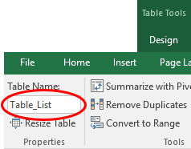

To create the "dynamic" data validated list, first create the list and convert it to a Table with headers (CTRL + T).
Whilst selecting an element of the Table, go to the context-specific table Table Tools, Design and rename the Table Table_List (say) in the 'Table Name' dialog box, viz.

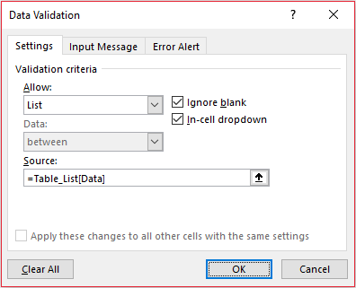

The "dynamic" list of entries will be called Table_List[Data]. As the number of records expands, so will the range automatically.

Unfortunately, Excel will cite an error if you attempt to use this range directly as the source in a data validation (ALT + D + L) list, e.g.

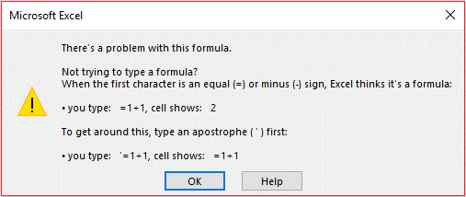

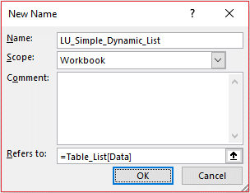

To circumvent this issue, we use an interim (cheat!) step: i.e. create a new range name (ALT + M + M + D), LU_Simple_Dynamic_List (say), which is defined as Table_List[Data]:

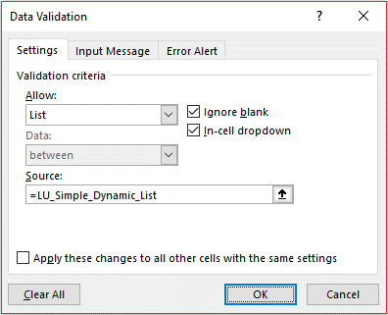

If you use this "interim" range name as the source for your data validated (ALT + D + L once more) list, you will 'fool' Excel and generate your dynamic list selection (as seen at the top or again below:

 |  |  | Example

 |  |  |  | Another Dynamic List |  | Fore

Dynamic Ranges Using OFFSET #1
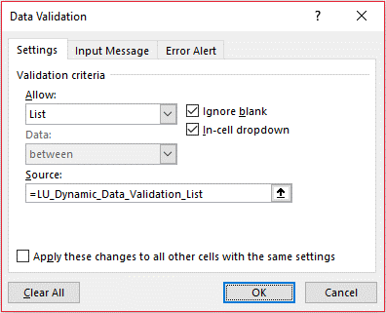
Dynamic Ranges Using OFFSET #1
SP Dynamic Range Names.xlsx
Navigator
 |  |  |  | Error Checks: |  |  | þ

 | 1 | Data Validation List of Variable Length

 |  | Data Validation Inputs

Enter data in the yellow assumption cells
 |  |  | Insert Entries Here

Formulae are used to identify where each entry is in the input section (used for reference below)
 |  |  |  | 1 | Alpha

 |  |  |  | 2 | Beta
 |  |  |  | 3 | Gamma
Total number of records summarised here

 |  |  |  | 4 | Delta

 |  |  |  | 5 | Epsilon | No. of Items
 |  |  |  |  |  | 5 | =COUNTA(F12:F21)

 |  | Data Validation Interim List Creation

 |  |  | Calculation

This interim calculation lists all non-blank inputs using the counters from the top section
 |  |  |  | # | Item
 |  |  |  | 1 | Alpha
 |  |  |  | 2 | Beta
 |  |  |  | 3 | Gamma
 |  |  |  | 4 | Delta
A range name is then defined which starts in cell F29 (note the worksheet name must be specified) and has a depth equal to the number of items.
This is done using the OFFSET function
 |  |  |  | 5 | Epsilon

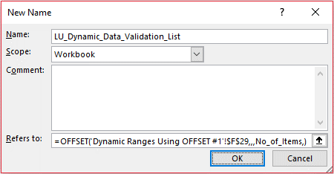

 |  | Data Validation List

 |  |  | Drop Down Box

 |  |  |  |  | Gamma

This range name is used to populate the data validated list

Dynamic Ranges Using OFFSET #2
Dynamic Ranges Using OFFSET #2
SP Dynamic Range Names.xlsx
Navigator
 |  |  |  | Error Checks: |  |  |  | þ

 | 1 | Example Data for Chart
Check flags determine whether the data is to be included in the chart, irrespective of whether Title and Amount assumptions have been populated.
 |  | Chart Data

 |  |  | Inputs
Calculated counters which show autonumber each dataset selected for the Chart - used in the INDEX(MATCH) function on the Example Chart Output sheet.
 |  |  |  | On / Off? |  |  | TRUE | FALSE | TRUE | FALSE | TRUE
 |  |  |  |  | Counter |  | 1 |  | 2 |  | 3

Input data here.
 |  |  |  | Title |  |  | Alma | Betty | Charlie | Dion | Echo

Error check to confirm at least one check box is ticked (otherwise chart refers to an empty range which generates an error on the Example Chart Output sheet).
 |  |  |  | Amount

 |  |  |  | Error Check |  | þ

 |  |  | Chart Table

Item No. is a simple counter, which uses conditional formatting to hide unused counters
Title and Amount are referenced from the above data.
 |  |  |  | Item No. |  |  | 1 | 2 | 3
 |  |  |  | Title |  |  | Alma | Charlie | Echo
 |  |  |  | Amount |  |  | 10 | 30 | 50

 | 2 | Example Chart

Chart works by using dynamic ranges for the data set (i.e. range widens and narrows depending upon the number of data points). This is done by defining the width using an OFFSET function, i.e.
LU_Dynamic_Amount =OFFSET('Dynamic Ranges Using OFFSET #2'!$H$26,,,,MAX('Dynamic Ranges Using OFFSET #2'!$H$13:$L$13))
and
LU_Dynamic_Title =OFFSET('Dynamic Ranges Using OFFSET #2'!$H$25,,,,MAX('Dynamic Ranges Using OFFSET #2'!$H$13:$L$13)).
The range names referred to in the chart must include the workbook name, e.g. =Filename!LU_Dynamic_Amount.
Not all functions are allowed to determine widths / heights of dynamic ranges (e.g. COUNTBLANK cannot be). Mainly a case of trial and error!
 |  | Chart Summary

Example Chart
 | "Dynamic Chart Example"
Alma | 10
Charlie | 30
Echo | 50

Dynamic Ranges Using INDIRECT

Dynamic Ranges Using INDIRECT
SP Dynamic Range Names.xlsx
Navigator
 |  |  |  | Error Checks: |  |  |  | þ

 | 1 | Example

 |  | Data Lists

 |  |  | Lookup Data

 |  |  |  |  | Income_Statement | Balance_Sheet | Cash_Flow_Statement
 |  |  |  |  | Revenue | Current Assets | Operating Cash Flow
 |  |  |  |  | COGS | Non-Current Assets | Investing Cash Flow
 |  |  |  |  | Gross Profit | Current Liabilities | Financing Cash Flow
 |  |  |  |  | Opex | Non-Current Liabilities | Total Cash Flow
 |  |  |  |  | EBITDA | Net Assets
 |  |  |  |  | Depreciation | Shareholder Equity
 |  |  |  |  | EBITDA | Retained Profits
 |  |  |  |  | Interest | Total Equity
 |  |  |  |  | NPBT
 |  |  |  |  | Tax Expense
 |  |  |  |  | NPAT

 |  |  | Output

The first input (cell G28) selects which range is used for the second dynamic list (used in cell G29).
 |  |  |  |  | Financial Statement: | Balance_Sheet
 |  |  |  |  | Classification: | Non-Current Liabilities

Dynamic Ranges Using IF
Dynamic Ranges Using IF
SP Dynamic Range Names.xlsx
Navigator
 |  |  |  | Error Checks: |  |  | þ

 | 1 | Example

 |  | Selecting from One of Two Lists

 |  |  | List Data

Depending on whether "Yes" or "No" has been selected in cell K13, the data validation list in cell K15 will use either the alphabet list or the numbers list as its source.
 |  |  |  |  | Alphabet | Numbers
 |  |  |  |  | A | 0 | Use Alphabet? | No
 |  |  |  |  | B | 1
 |  |  |  |  | C | 2 | Choice | 2
 |  |  |  |  | D | 3
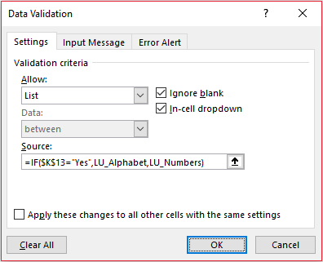
 |  |  |  |  | E | 4
 |  |  |  |  | F | 5
 |  |  |  |  | G | 6
 |  |  |  |  | H | 7
 |  |  |  |  | I | 8
 |  |  |  |  | J | 9
 |  |  |  |  | K
 |  |  |  |  | L
 |  |  |  |  | M
 |  |  |  |  | N
 |  |  |  |  | O
 |  |  |  |  | P
 |  |  |  |  | Q
 |  |  |  |  | R
 |  |  |  |  | S
 |  |  |  |  | T
 |  |  |  |  | U
 |  |  |  |  | V
 |  |  |  |  | W
 |  |  |  |  | X
 |  |  |  |  | Y
 |  |  |  |  | Z

Dynamic Ranges Using CHOOSE

Dynamic Ranges Using CHOOSE
SP Dynamic Range Names.xlsx
Navigator
 |  |  |  | Error Checks: |  |  | þ

 | 1 | Data Sources

 |  | Lists

 |  |  | Three Ranges to Choose From

 |  |  |  |  | Vertical List | Alpha
 |  |  |  |  |  | Moonbase
 |  |  |  |  |  | Watches
 |  |  |  |  |  | Omega

 |  |  |  |  | Horizontal List | Red | Orange | Yellow | Green | Blue | Indigo | Violent

 |  |  |  |  | Third List | is LU_Numbers from the previous worksheet (IF example):

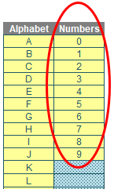
Three range names have been used in this example, two from this worksheet and one from elsewhere. Do note one of these ranges is a horizontal range

 |  |  |  |  | List for Data Validation

 |  |  |  |  |  | Selection |  | LU_Choice
 |  |  |  |  |  | Vertical List
 |  |  |  |  |  | Horizontal List
 |  |  |  |  |  | Third List

 | 2 | Example

The hidden cell (I49, formatted) allocates a number based on which list has been chosen. This is used as the choice number in the CHOOSE function, which is used to define the source in the data validated (ALT + D + L) list.
 |  | Demonstration

 |  |  |  |  | Selected List | Third List

 |  |  |  |  | Resulting List | 3

 |  |  |  |  |  | =CHOOSE(Choice_Number,LU_Vertical_List,LU_Horizontal_List,LU_Numbers)

Relative Referencing
Relative Referencing
SP Dynamic Range Names.xlsx
Navigator
 |  |  |  | Error Checks: |  | þ

 | 1 | Simple Example

 |  | Inputs

 |  |  | Inflation

 |  |  |  |  | Year |  | 2018 | 2019 | 2020 | 2021 | 2022 | 2023 | 2024
 |  |  |  |  | Inflation |  |  | 3% | 4% | 5% | 6% | 7% | 8%

These cells (K13:P13) have been given the range name Inflation.
 |  | Outputs

 |  |  | Simple Example

 |  |  |  |  | Year |  | 2018 | 2019 | 2020 | 2021 | 2022 | 2023 | 2024
 |  |  |  |  | Sales |  | $1,000 | $1,030 | $1,071 | $1,125 | $1,192 | $1,276 | $1,378 | =Prior_Period*(1+Inflation)

 |  |  |  |  | Year-on-year growth % |  |  | 3.00% | 4.00% | 5.00% | 6.00% | 7.00% | 8.00% | =IF(J21,K21/J21-1,)

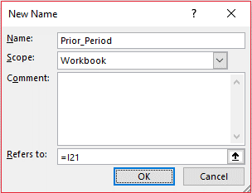
The formula in these cells uses the range names Inflation and Prior_Period:
The Inflation rate used is the value in a shared column or row (this is a simple way of changing values using a simple range name)
To define the Prior_Period range name, select any cell and define the name as the cell to the left without dollar ($) signs (i.e. absolute referencing). This will make the range name always define the cell immediately to the left.

